Baby
 | Type | Price on Amazon | Price on Tote | Shipping Charge | App Revenue | Tote Revenue (Gross) | Logistics Cost | Payment Processing Cost | Shipping Tracking Cost | Tote Margin (Net) | Tote Revenue (Net) | Net Revenue @10K Transactions | Wholesale app margin | Whol. Tote Margin | Retail App Margin | Retail Tote Margin
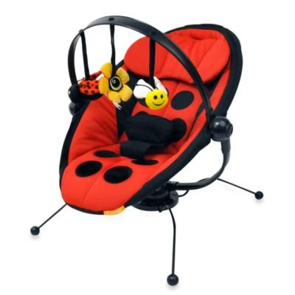 Combi Pod Bouncer, Lady Bug | Wholesale | $211.15 | $232 | $29.40 | $23.23 | $58.07 | $1.77 | $6.97 | $2.32 | 20.24% | $47.01 | $470,056.50 | 10.00% | 25.00% | 10.00% | 10.00%
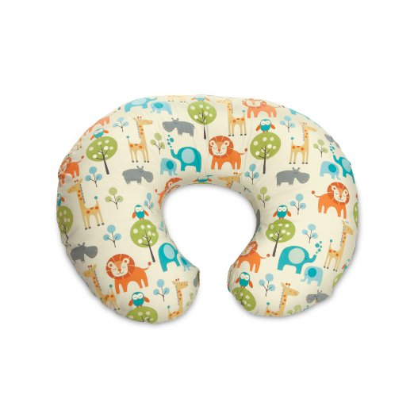 Boppy Nursing Pillow, Peaceful Jungle | Retail | $39.96 | $44 | $15.05 | $4.40 | $4.40 | $1.77 | $1.32 | $0.44 | 1.97% | $0.87 | $8,673.60
Leachco Snoogle Total Body Pillow, White | Retail | $61.00 | $67 | $23.41 | $6.71 | $6.71 | $1.77 | $2.01 | $0.67 | 3.36% | $2.26 | $22,560.00
 Eco Cub Baby Wrap | Wholesale | $29.99 | $33 | $15.05 | $3.30 | $8.25 | $1.77 | $0.99 | $0.33 | 15.63% | $5.16 | $51,576.90
Diaper Dekor Plus Pail - Gray | Wholesale | $51.72 | $57 | $15.05 | $5.69 | $14.22 | $1.77 | $1.71 | $0.57 | 17.89% | $10.18 | $101,773.20

